Title
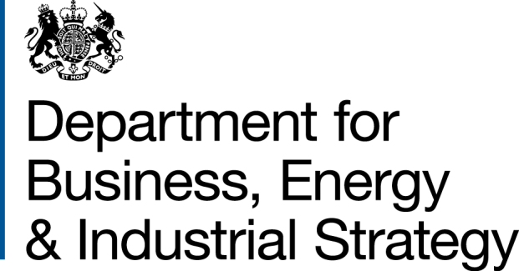
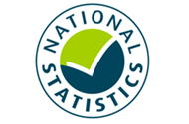

 | Household Energy Efficiency
 | Statistics

Please direct all press enquiries to Press Officer 020 7215 6140

Responsible Statistician
Stephen Oxley
EnergyEfficiency.Stats@beis.gov.uk
0300 068 5025

This workbook was updated on 18 April 2019

Further Info
Further information
© Crown copyright 2019. You may re-use this information (not including logos) free of charge in any format or medium, under the terms of the Open Government Licence.
To view this licence, visit www.nationalarchives.gov.uk/doc/open-government-licence/
or write to the Information Policy Team, The National Archives, Kew, London TW9 4DU, or email: psi@nationalarchives.gsi.gov.uk.
Any enquiries or comments in relation to this statistical release should be sent to the Household Energy Efficiency Statistics Team at the following email address: EnergyEfficiency.Stats@beis.gov.uk or following contact telephone: 0300 068 5025. The statistician responsible for this publication is Stephen Oxley.
This document is also available from our website at: https://www.gov.uk/government/collections/household-energy-efficiency-national-statistics
Further information on energy statistics is available at: https://www.gov.uk/government/organisations/department-for-business-energy-and-industrial-strategy/about/statistics
For further information on background and Green Deal and Energy Company Obligation (ECO) policies, please see annex from the following detailed report (March 2018):
https://www.gov.uk/government/statistics/household-energy-efficiency-national-statistics-detailed-report-2017
Revision Policy
As with any data collection with a short time lag between data receipt and published release, there may be some data quality issues to resolve. Therefore data in these headline releases should be treated as provisional and subject to revision. Any revisions will be marked in the data tables and for any significant revisions we will provide an explanation of the main reasons.
Methodology Note and Background Quality Report
The statistics presented in this report are used by a wide range of organisations. Please see the accompanying methodology note and the background quality report (summarising the quality assurance relating to the statistics) for more details: https://www.gov.uk/government/publications/household-energy-efficiency-statistics-methodology-note
National Statistics
This is a National Statistics publication. The United Kingdom Statistics Authority has designated these statistics as National Statistics, in accordance with the Statistics and Registration Service Act 2007 and signifying compliance with the UK Statistics Authority: Code of Practice for Statistics. The Statistics Authority published its report on 12 June 2014: https://www.statisticsauthority.gov.uk/assessment/assessment-report/index.html
Designation can be broadly interpreted to mean that the statistics:
• meet identified user needs
• are well explained and readily accessible
• are produced according to sound methods, and
• are managed impartially and objectively in the public interest
Once statistics have been designated as National Statistics it is a statutory requirement that the Code of Practice shall continue to be observed.

Overall Summary
Overall Summary
Introduction
This release presents the latest statistics on the Energy Company Obligation (ECO) and the Green Deal (GD).
Key points
Energy Efficiency Measures, Households and Carbon Savings
The Government has established a target to upgrade around 1 million homes between May 2015 and April 2020. In the three years and ten months of the target period so far, around 852,000 homes have had at least one improvement measure installed under ECO or the Green Deal. (Infographic 1, Table 1.3).
Around 2.6 million measures were installed in around 2.0 million properties through ECO and under the Green Deal Framework to the end of February 2019. Around 2.5 million of these installed measures (96 per cent) were delivered through ECO (Tables 1.1 and 1.2).
In Q4 2018, around 16,100 measures were installed through ECO in around an additional 11,000 households (Tables 3.3 and 4.1).
The provisional estimated lifetime carbon savings of measures installed by the end of December 2018, under ECO (excluding Affordable Warmth), Cashback, GDHIF and GD Plans was up to 37.9 MtCO2 with provisional estimated lifetime energy savings up to 150,400 GWh (Table 1.4).
ECO Measures Installed and Households
Provisional figures show there were around 2.48m measures installed in 1.96m households under ECO up to the end of February 2019 (Tables 2.3 to 2.8).
Since the start of ECO3 in October 2018 , 40,100 measures have been installed, including 12,500 measures installed in February 2019. Under the scheme rules revised for ECO3, suppliers have until two months after the installation date to report measures to Ofgem so February 2019 data cannot yet be considered to be complete (Table 2.5). Suppliers have until March 2022 to deliver their obligations.
Provisionally, over the eighteen months of ECO Help-To-Heat, around 326,500 measures were installed. Compared with ECO2, the size of the obligation was reduced for ECO Help-To-Heat. The average number of measures installed per month was 38 per cent lower than during the ECO2 period (April 2015-March 2017); however, the reported average cost per quarter for ECO Help-To-Heat Obligation was around 25 per cent lower than ECO2 (Tables 2.3, 2.4 & 6.1).
Of all notified ECO measures installed to end of February 2019, 35 per cent were for cavity wall insulation, 23 per cent were for loft insulation and 22 per cent were for boiler measures. There were around 177,900 solid wall insulations which accounted for seven per cent of all measures (Tables 2.6, 2.7 & 2.8 and Infographic 2).
Of all notified ECO Help-To-Heat measures installed to end of September 2018, 38 per cent were for cavity wall insulation, 19 per cent were for loft insulation and 17 per cent were for boiler measures. Fifteen per cent were for 'other heating' and there were around 30,000 solid wall insulations which accounted for nine per cent of all measures (Table 2.7).
The share of 'heating' measures has increased in ECO3 compared to the previous ECO phases, with boilers now representing 25 per cent of all measures and a further 17 per cent from 'other heating' measures, up to February 2019. This increase is due to the Affordable Warmth obligation (HHCRO), the only sub-obligation to include boilers, making up the whole of ECO3. Of all notified ECO3 measures installed to end of February 2019, 28 per cent were for cavity wall insulation, 21 per cent were for loft insulation and seven per cent were for solid wall insulation. These are significantly higher than the share of insulation measures through Affordable Warmth across all ECO phases, 6 per cent were for cavity wall insulation, 8 per cent were for loft insulation and 1 per cent were for solid wall insulation (Tables 2.6, 2.7 & 2.8, Chart 2a & 2b).
Through ECO, the combination of Affordable Warmth and the Carbon Savings Community obligations have delivered around 1.40 million measures in around 1.06 million low income and vulnerable households, or households in specified areas of low income, by the end of February 2019. (Tables 2.6, 2.7 & 2.8). Since the start of April 2017, around 184,000 Affordable Warmth measures have been installed in around 139,300 low income and vulnerable households. (Tables 2.7 and 2.8).
Up to the end of December 2018, around one fifth (18 per cent) of ECO measures were in the North West (447,200), the highest in any region. 13 per cent of ECO measures were installed in Scotland (308,300) and five per cent were in Wales (133,300). In Q4 2018 around 16 per cent of ECO measures were in the North West (2,500), the highest in any region. Twelve per cent of ECO measures were installed in Scotland (2,000) and 6 per cent were in Wales (900). (Infographic 3, Table 3.3).
Around seven per cent of all households in Great Britain had a measure installed under ECO (i.e. around 73 per 1,000 households), up to the end of December 2018. The North West and North East regions had the highest amounts in England with 111 and 97 households with ECO measures per 1,000 households respectively. In Scotland there were around 106 per 1,000 households and 75 per 1,000 households in Wales. (Map 1, Table 4.1 and Table 4.4).
In total, to end December 2018, around 85 per cent of ECO measures were installed in properties that used gas as their main fuel type (around 2,094,000 measures); however this has decreased from 97 per cent in the first quarter of ECO to 72 per cent in Q4 2018 (Chart 3, Table 3.2).
Around 888,100 Affordable Warmth ECO measures installed up to the end of December 2018 are estimated to deliver £11.27bn worth of notional lifetime bill savings. In Q4 2018, Affordable Warmth delivered around 16,100 measures delivering around £150m of lifetime bill savings. (Chart 4, Table 2.1).
Local Authorities can determine eligible homes under the new ‘flexible eligibility’ mechanism. Under ECO Help-to-Heat up to 10 per cent of the Affordable Warmth Obligation as measured through lifetime savings and up to 25 per cent of the ECO3 obligation can be delivered through ‘Flexible Eligibility’. Up to December 2018, 66 local authorities had seen 50 or more measures installed through Flexible Eligibility, eight of these had over 500 measures installed. The South West and South East regions had the highest share in England with 20 per cent and 10 per cent of flex measures in Great Britain respectively. Wales had 24 per cent and Scotland 10 per cent (Table 3.5).
Since the introduction of Flexible Eligibility, up to the end of February 2019, 23,400 measures have been delivered through this aspect of the scheme (Tables 2.7 & 2.8). Around 14 per cent of the Help-To-Heat Affordable Warmth obligation was delivered through Flexible Eligibility (Chart 5a). Where suppliers exceed their 10 per cent flex thresholds under ECO Help-To-Heat, additional flex measures can be carried over to ECO3. Under ECO3, up to 25% of the obligation can be delivered through flex, with 18% of this obligation delivered through flex up to February 2019 (Chart 5b).
Green Deal Plans
GD Plans – there were 13,860 ‘live’ or ‘completed’ GD Plans in unique homes at the end of March 2019; of these, 11,672 were ‘live’ (all measures installed) and 2,188 were 'completed' (all measures installed and paid off). Additionally, there were four ‘new’ (quote accepted) and six ‘pending’ (plan signed) plans. At the end of March 2019, 84 per cent of all plans were 'live'. Over the last three months (January – March 2019) 135 Plans were ‘completed’, compared to 179 completions in the previous three months. (Table 7.1).

Charts
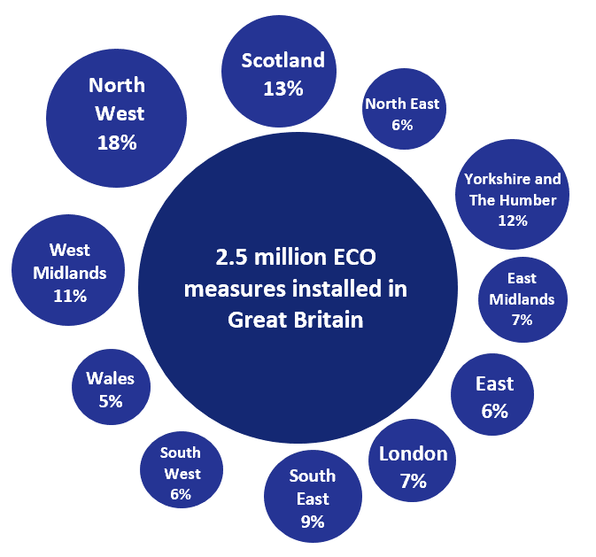
Chart 1: ECO measures installed, by obligation, by month, up to end February 2019 | Chart 2a: Share of all ECO measures installed, by measure type, by ECO phase, up to end February 2019
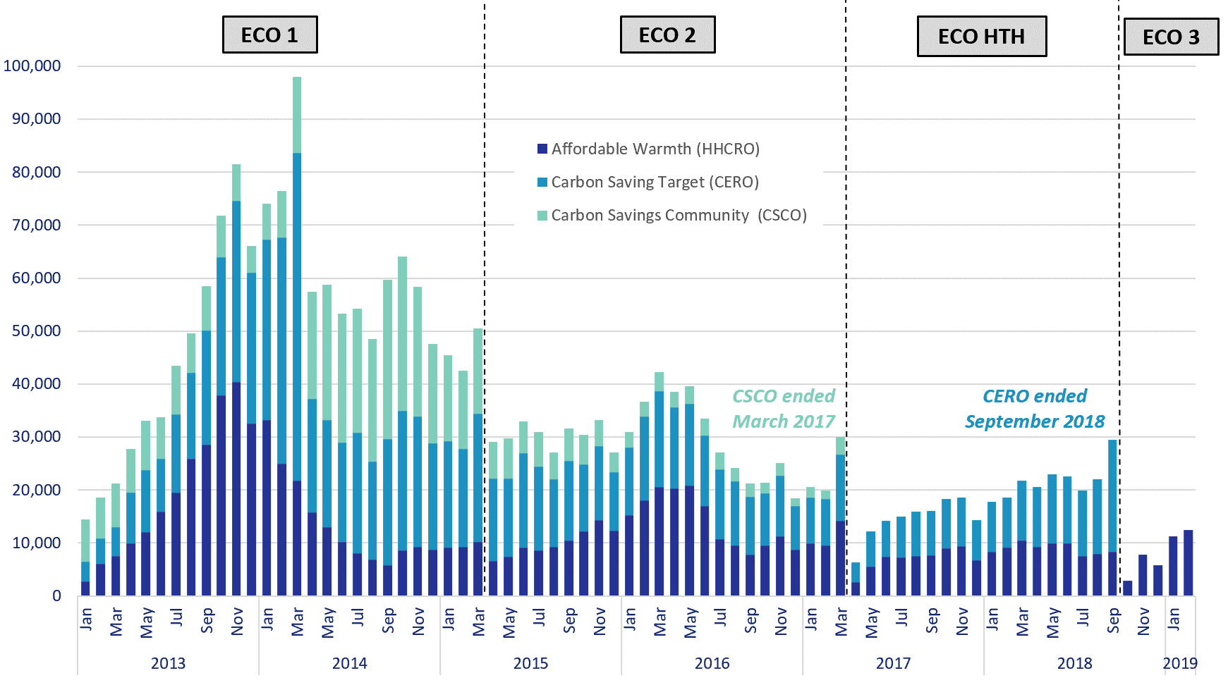
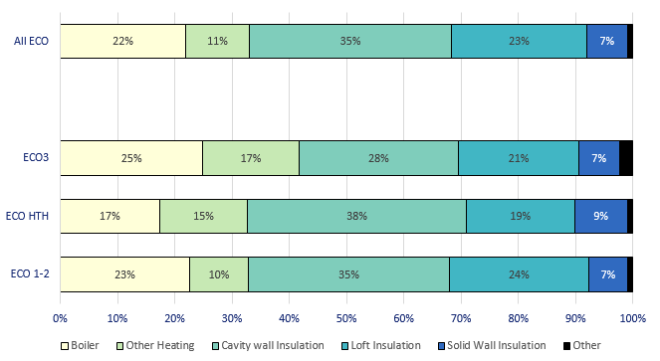

Chart 3: ECO measures by main fuel type of property, by quarter, up to end December 2018 | Chart 2b: Share of all Affordable Warmth measures installed, by measure type, by ECO phase, up to end February 2019

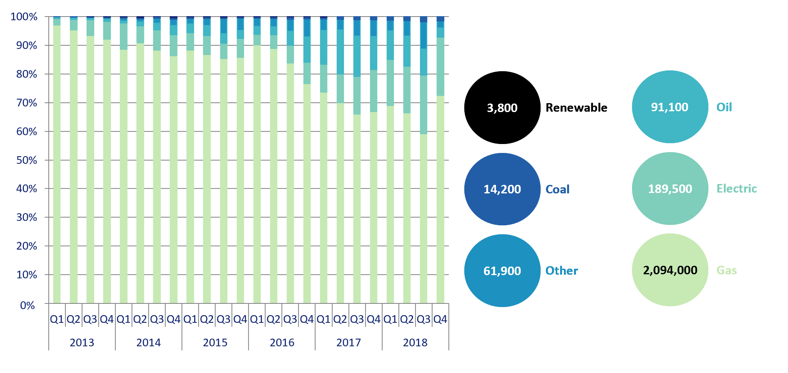
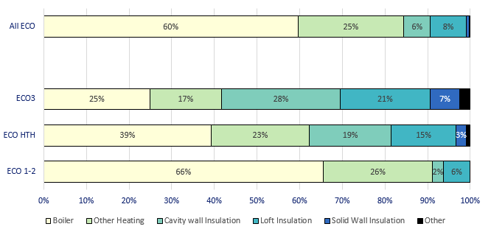

Chart 4: Estimated lifetime bill savings for Affordable Warmth measures, by installation month, up to end December 2018 | Chart 5a: Number of ECO Help-To-Heat Flexible Eligibility Measures by installation month and share of Affordable Warmth obligation delivered through flex, up to end September 2018

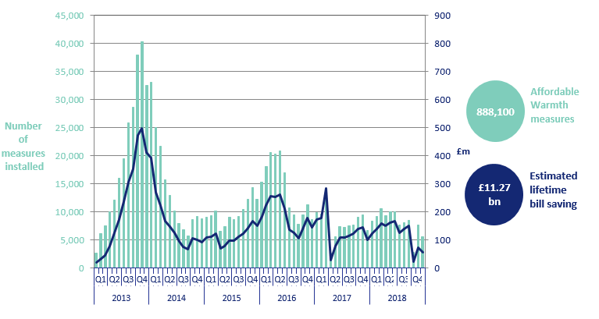
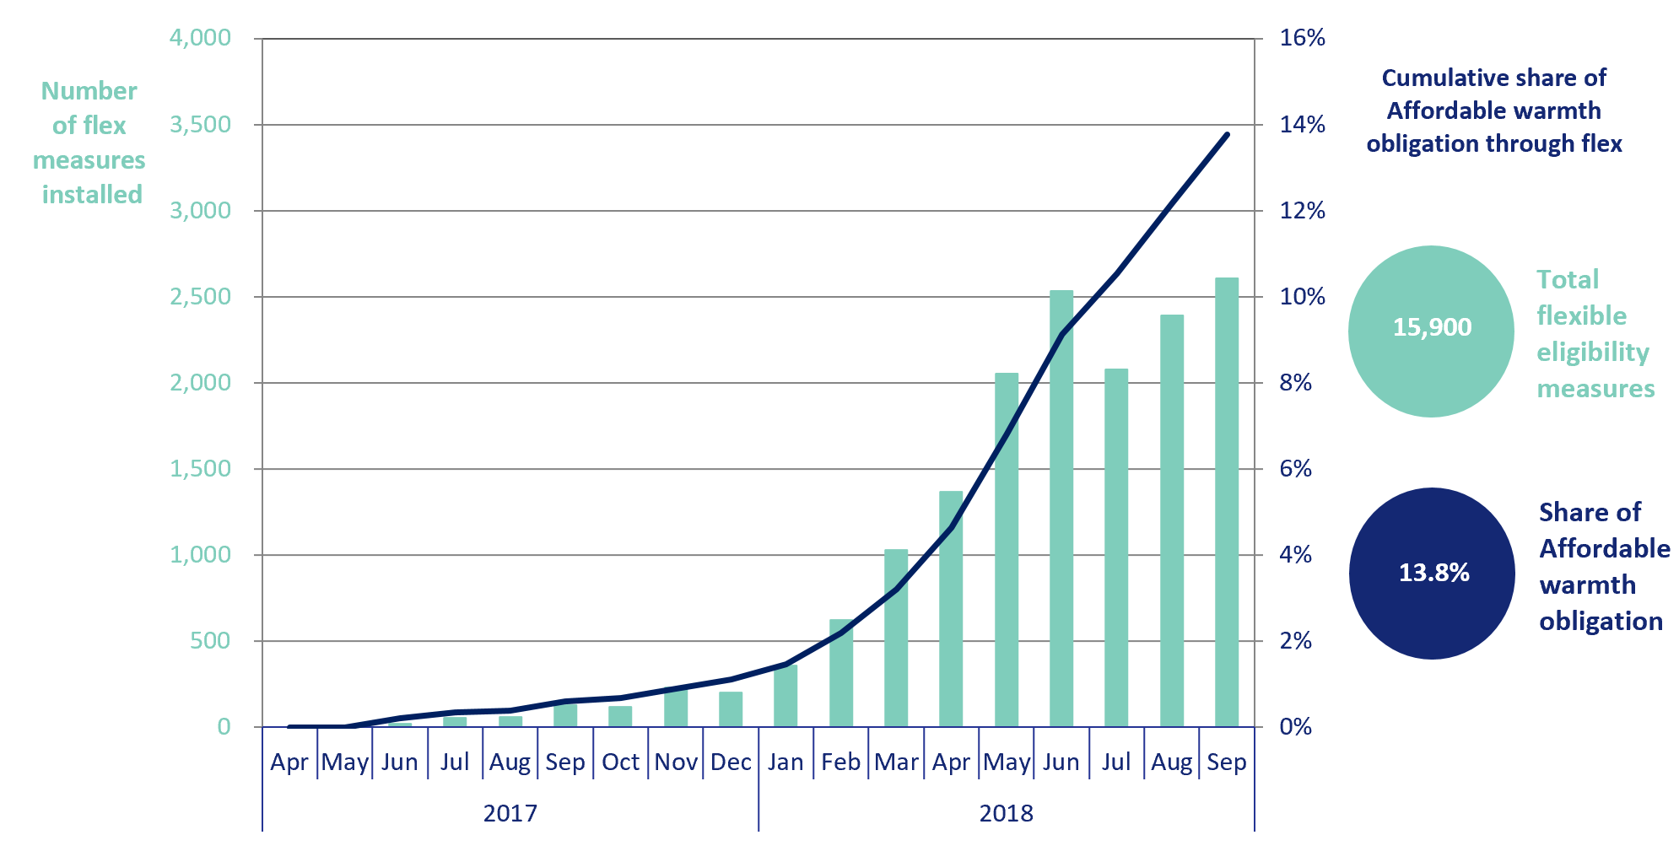

Chart 6: Green Deal Plans, by ‘Live’ or ‘Completed’ status, up to end March 2019 | Chart 5b: Number of ECO3 Flexible Eligibility Measures by installation month and share of Affordable Warmth obligation delivered through flex, up to end February 2019

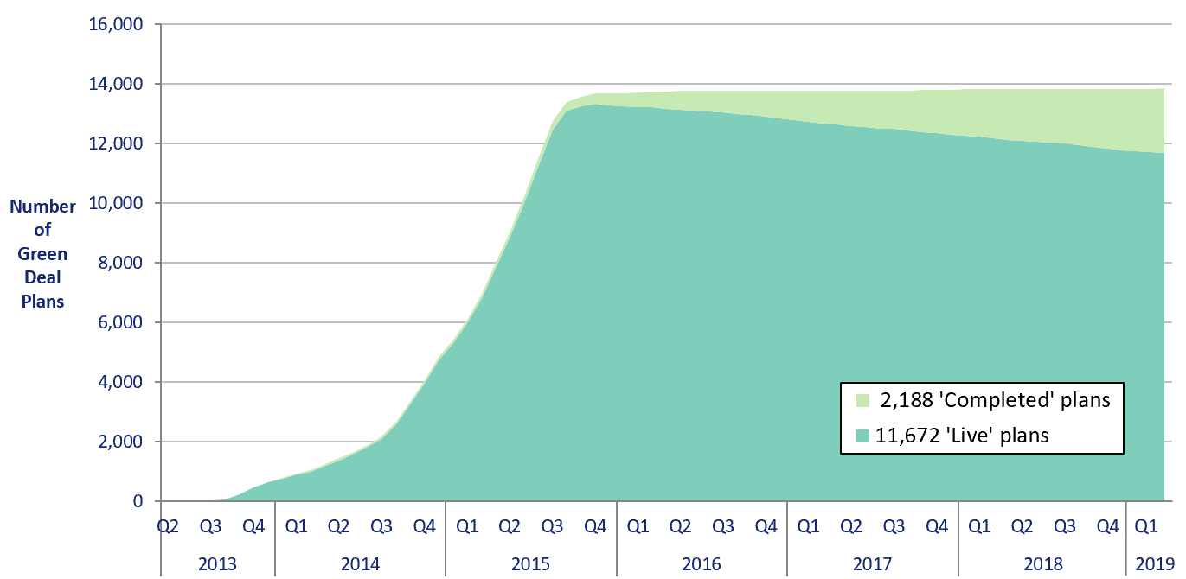
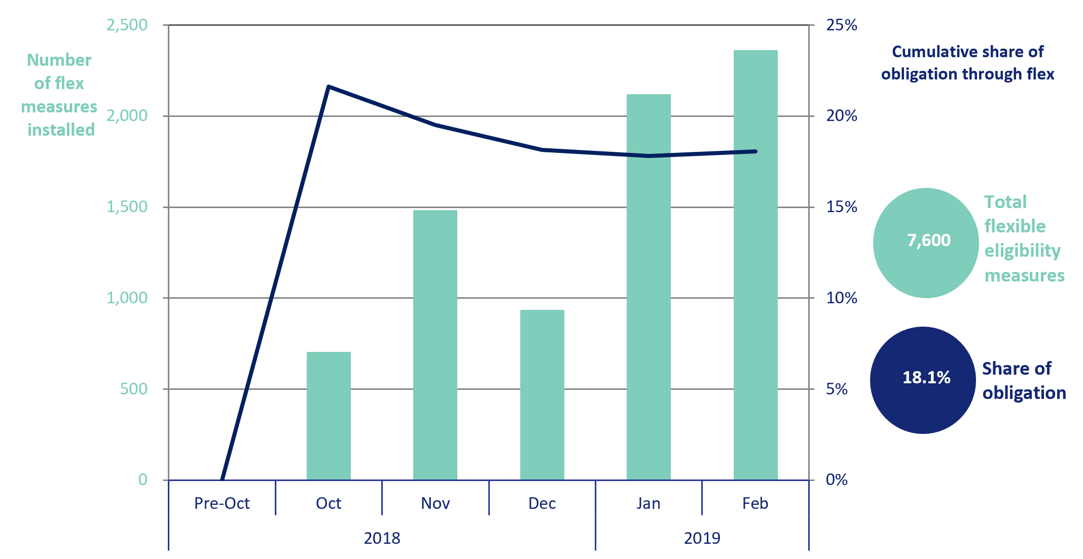

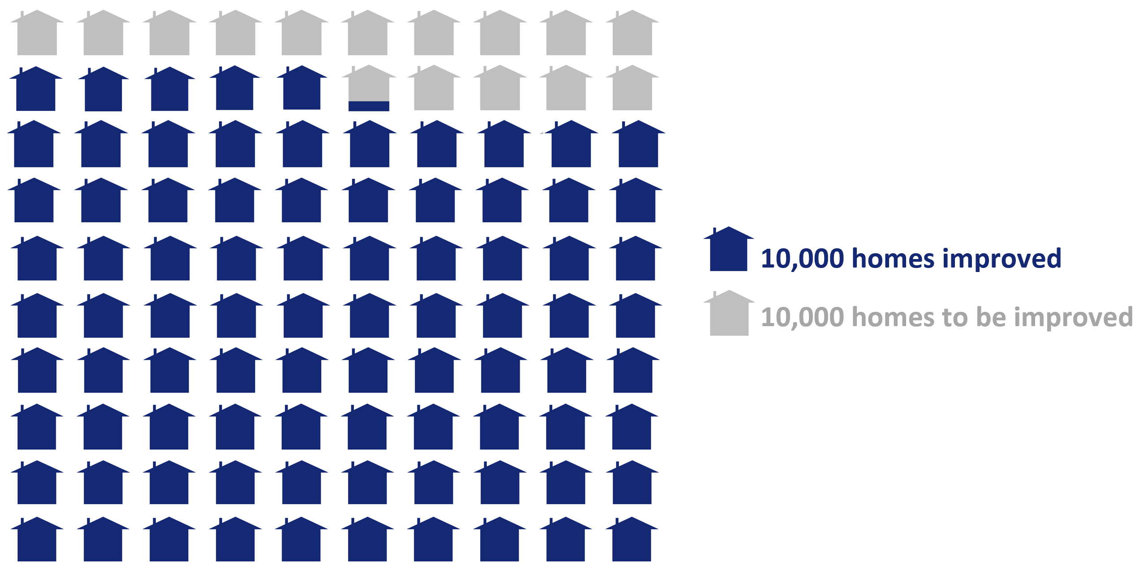
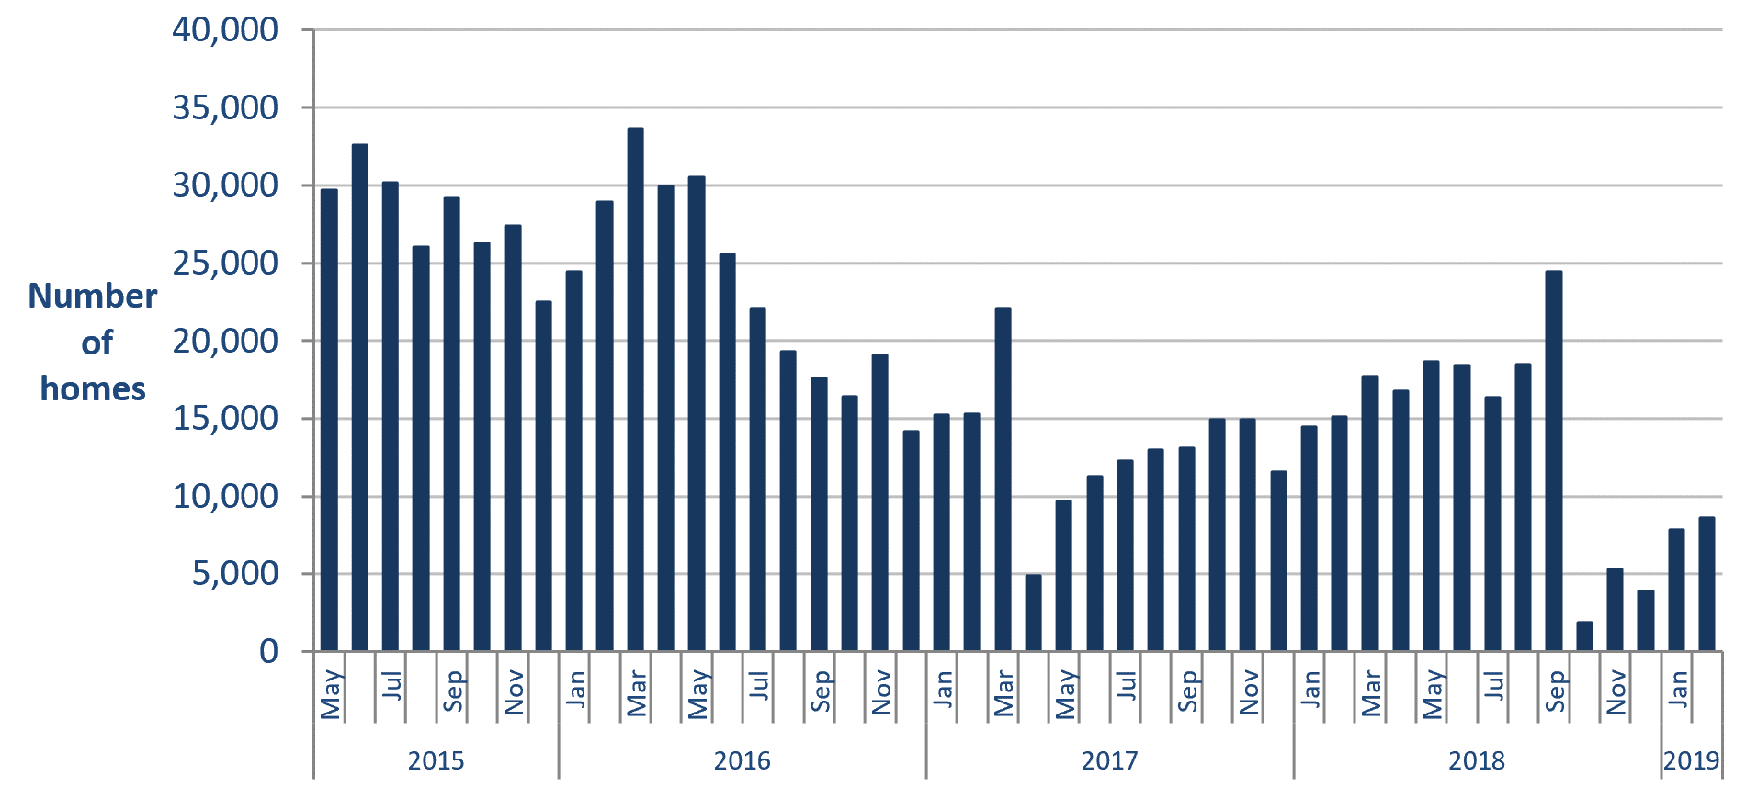
Infographic 1: Proportion of the 1 million homes target achieved, up to end February 2019 | Chart 7: Homes that have had an improvement measure, up to end February 2019

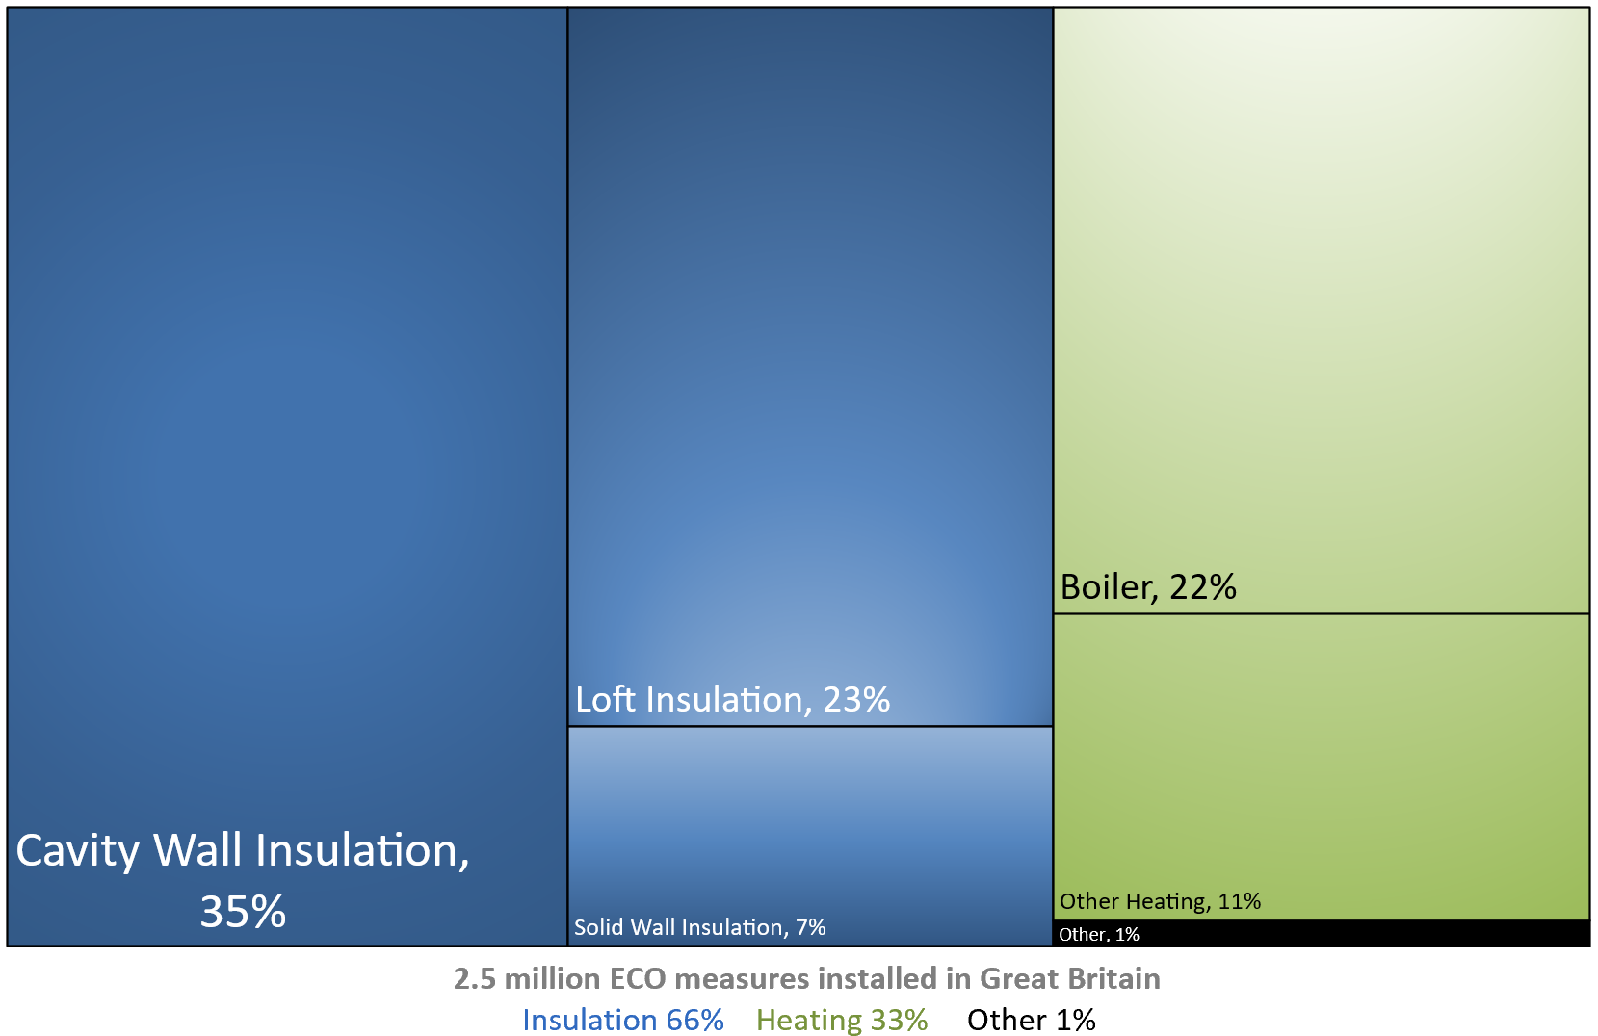
Infographic 2: ECO measures by measure type, up to end February 2019 | Infographic 3: ECO measures by region, up to end December 2018

Map1
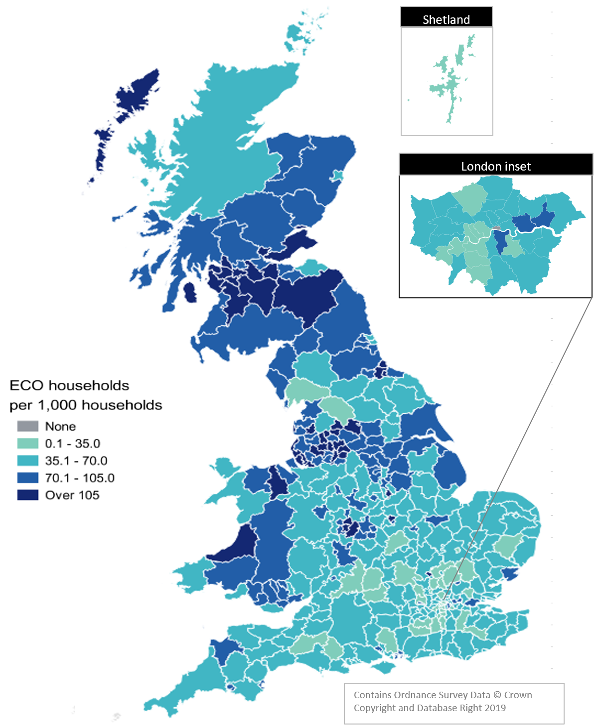
Map 1 – Households in receipt of ECO measures by Local Authority per 1,000 households, up to end December 2018

Map2
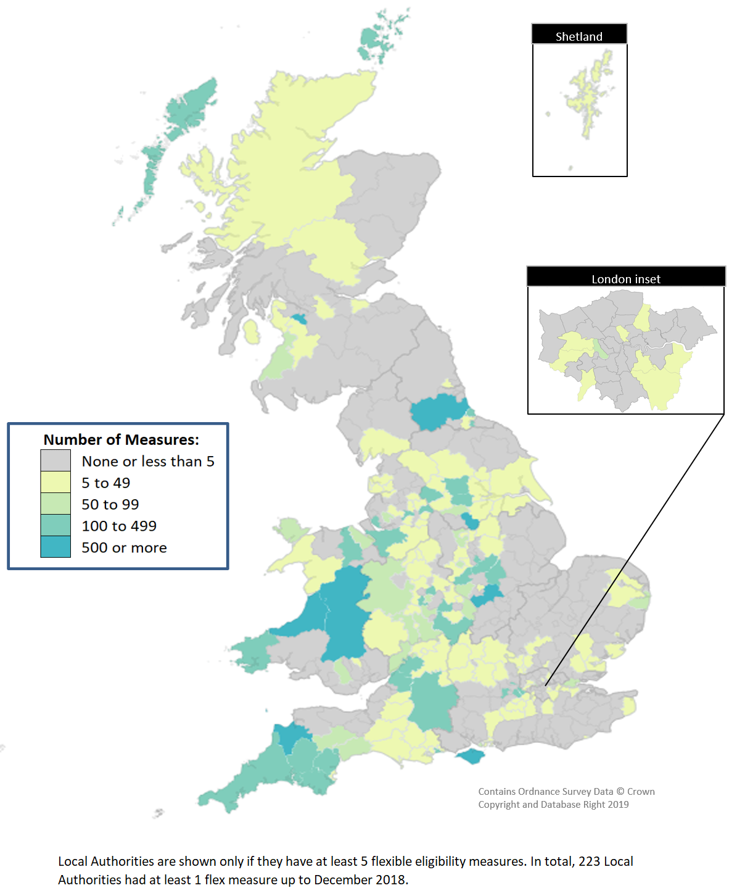
Map 2 - ECO measures installed through Flexible Eligibility, by Local Authority (April 2017 - December 2018)

